Instructions
To get the most out of this Gantt chart you need to enable Macros.

Steps to set up your Gantt Chart
1. Enter the name of your project in cell A1.
2. Enter the start date and today's date
3. Enter your name or organisation in the 'PM' field.
4. Check the Settings tab and adjust the settings if you wish. We recommend leaving the default settings.

How to add new summary and sub-tasks
1. Start entering your tasks. You can add to the existing tasks or overwrite the existing tasks.
2. Give each task a unique ID. For summary tasks use whole numbers.
3.Enter the start and end date.
4. The Work Days Planned, Elapsed, Remaining and Overrun will calculate automatically!

How to insert additional tasks
1. Select the cell where you want to add an additional task, right click and select 'Insert'.
2. Give the task the next unique ID e.g. if the previous task was 1.4 number this task 1.5.
It is best practice to align the numbering of tasks in your project plan with the numbering in your Work Breakdown Structure (WBS).
3. Enter the start and end date.
4. The Work Days Planned, Elapsed, Remaining and Overrun will calculate automatically!
5. Update the numbers of the tasks below, so each tasks has a unique ID.

Removing the messages from the Start and End date fields
To remove this message go to Data >> Data Validation
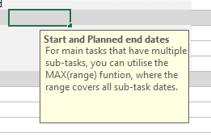

Select 'Input Message' tab and untick 'Show input message when cell is selected'.

Acknowledgements
This Gantt chart uses a template created by Chris Read and released under a Freeware license.
You can download the template from http://www.professionalexcel.com/project-manager-gantt-chart/
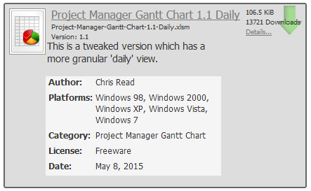

The tasks and activities in this template are based on material available on http://www.cdc.gov/cdcup/ see Project Schedule (xls) at https://www2a.cdc.gov/cdcup/library/templates/default.htm
This template is licensed under Creative Commons Attribution-ShareAlike license http://creativecommons.org/licenses/by-sa/3.0/

